Case #1
Justin Pope Dev Test
Test Case No. |  | 1
Process |  | unit testing
Test Consideration |  | 1) SSMS
Test Condition |  |  | Data Used | How To Verify | Actual Results
Tasks
1 |  | Unit testing | dev data | query database | screen shots below
Configuration/Data Setup for Testing Scenario
Verification
Test Cast Screens Shots Before and After

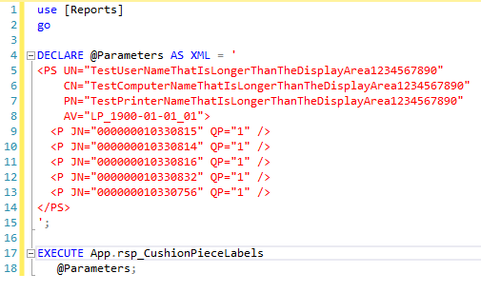

 | Before:
 | JobTypeRank | JobRank | LabelRank | ScheduleId | JobNumber | CushionStyle | CushionQtyToPrint | StockCode | Description | LongDescription | DetailLine1 | DetailLine2 | DetailLine3 | PieceNumber | PieceNumber | PieceTotal | PiecePosition | PieceComponent1 | PieceComponent1QtyPer | PieceComponent2 | CartonDescription | CartonQtyPerMix | FillDisplay | CartonDisplay | BarcodeDisplay | UserName | CompurterName | PrinterName | ApplicationVersion | DateTimeGenerated | FastenerType | FastenerDescription | FastenerLengthInches | FastenerWidthInches | FastenerQty
 | 0 | 1 | 1 | PRE | 10330756 | 1 | (none) | 1 | SCH-151132SW-100223 | Devin Park Swivel Chair |  | Style (none) | Fabric (none) | Trim (none) | NULL | NULL | NULL | NULL | NULL | NULL | NULL | 1 | 1 | 0 | 0 | JustinPopeDev | AzureDevWorkStation | (none) | n/a | 6/2/23 | NULL | NULL | NULL | NULL | NULL
 | 1 | 1 | 2 | PRE-WJ | 10330814 | 1 | G104 | 1 | G104-202134 | Hattaway Toffee 24x24 | NULL | FR FAB: {4321} HATTAWAY TOFFEE | BK FAB: {4076} ROLLO CREAM | F WELT: {4244} COZY TOFFEE | 1 | 1 | SINGLE | G104FIL | 1 | NULL | CUSHION BOX - TPCUSHION | 2 | 1 | 1 | 1 | JustinPopeDev | AzureDevWorkStation | (none) | n/a | 6/2/23 | NULL | NULL | NULL | NULL | NULL
 | 1 | 2 | 3 | PRE-WJ | 10330815 | 1 | G104 | 1 | G104-202134 | Hattaway Toffee 24x24 | NULL | FR FAB: {4321} HATTAWAY TOFFEE | BK FAB: {4076} ROLLO CREAM | F WELT: {4244} COZY TOFFEE | 1 | 1 | SINGLE | G104FIL | 1 | NULL | CUSHION BOX - TPCUSHION | 2 | 1 | 1 | 1 | JustinPopeDev | AzureDevWorkStation | (none) | n/a | 6/2/23 | NULL | NULL | NULL | NULL | NULL
 | 1 | 3 | 4 | PRE-WJ | 10330816 | 1 | G104 | 1 | G104-202134 | Hattaway Toffee 24x24 | NULL | FR FAB: {4321} HATTAWAY TOFFEE | BK FAB: {4076} ROLLO CREAM | F WELT: {4244} COZY TOFFEE | 1 | 1 | SINGLE | G104FIL | 1 | NULL | CUSHION BOX - TPCUSHION | 2 | 1 | 1 | 1 | JustinPopeDev | AzureDevWorkStation | (none) | n/a | 6/2/23 | NULL | NULL | NULL | NULL | NULL
 | 1 | 4 | 5 | PRE-WJ | 10330832 | 1 | G104 | 1 | G104-202134 | Hattaway Toffee 24x24 | NULL | FR FAB: {4321} HATTAWAY TOFFEE | BK FAB: {4076} ROLLO CREAM | F WELT: {4244} COZY TOFFEE | 1 | 1 | SINGLE | G104FIL | 1 | NULL | CUSHION BOX - TPCUSHION | 2 | 1 | 1 | 1 | JustinPopeDev | AzureDevWorkStation | (none) | n/a | 6/2/23 | NULL | NULL | NULL | NULL | NULL

 | updates:
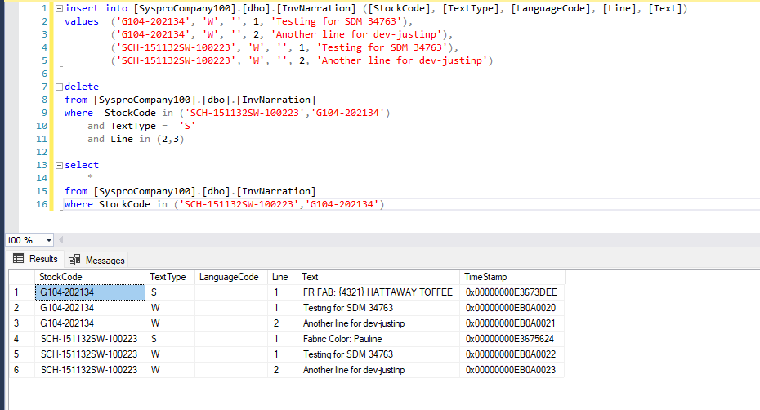

 | After changes:
 | JobTypeRank | JobRank | LabelRank | ScheduleId | JobNumber | CushionStyle | CushionQtyToPrint | StockCode | Description | LongDescription | DetailLine1 | DetailLine2 | DetailLine3 | PieceNumber | PieceNumber | PieceTotal | PiecePosition | PieceComponent1 | PieceComponent1QtyPer | PieceComponent2 | CartonDescription | CartonQtyPerMix | FillDisplay | CartonDisplay | BarcodeDisplay | UserName | CompurterName | PrinterName | ApplicationVersion | DateTimeGenerated | FastenerType | FastenerDescription | FastenerLengthInches | FastenerWidthInches | FastenerQty
 | 0 | 1 | 1 | PRE | 10330756 | 1 | (none) | 1 | SCH-151132SW-100223 | Devin Park Swivel Chair |  | Style (none) | Fabric (none) | Trim (none) | NULL | NULL | NULL | NULL | NULL | NULL | NULL | 1 | 1 | 0 | 0 | JustinPopeDev | AzureDevWorkStation | (none) | n/a | 6/2/23 | NULL | NULL | NULL | NULL | NULL
 | 1 | 1 | 2 | PRE-WJ | 10330814 | 1 | G104 | 1 | G104-202134 | Hattaway Toffee 24x24 | NULL | FR FAB: {4321} HATTAWAY TOFFEE | Testing for SDM 34763 | Another line for dev-justinp | 1 | 1 | SINGLE | G104FIL | 1 | NULL | CUSHION BOX - TPCUSHION | 2 | 1 | 1 | 1 | JustinPopeDev | AzureDevWorkStation | (none) | n/a | 6/2/23 | NULL | NULL | NULL | NULL | NULL
 | 1 | 2 | 3 | PRE-WJ | 10330815 | 1 | G104 | 1 | G104-202134 | Hattaway Toffee 24x24 | NULL | FR FAB: {4321} HATTAWAY TOFFEE | Testing for SDM 34763 | Another line for dev-justinp | 1 | 1 | SINGLE | G104FIL | 1 | NULL | CUSHION BOX - TPCUSHION | 2 | 1 | 1 | 1 | JustinPopeDev | AzureDevWorkStation | (none) | n/a | 6/2/23 | NULL | NULL | NULL | NULL | NULL
 | 1 | 3 | 4 | PRE-WJ | 10330816 | 1 | G104 | 1 | G104-202134 | Hattaway Toffee 24x24 | NULL | FR FAB: {4321} HATTAWAY TOFFEE | Testing for SDM 34763 | Another line for dev-justinp | 1 | 1 | SINGLE | G104FIL | 1 | NULL | CUSHION BOX - TPCUSHION | 2 | 1 | 1 | 1 | JustinPopeDev | AzureDevWorkStation | (none) | n/a | 6/2/23 | NULL | NULL | NULL | NULL | NULL
 | 1 | 4 | 5 | PRE-WJ | 10330832 | 1 | G104 | 1 | G104-202134 | Hattaway Toffee 24x24 | NULL | FR FAB: {4321} HATTAWAY TOFFEE | Testing for SDM 34763 | Another line for dev-justinp | 1 | 1 | SINGLE | G104FIL | 1 | NULL | CUSHION BOX - TPCUSHION | 2 | 1 | 1 | 1 | JustinPopeDev | AzureDevWorkStation | (none) | n/a | 6/2/23 | NULL | NULL | NULL | NULL | NULL

